Product Code
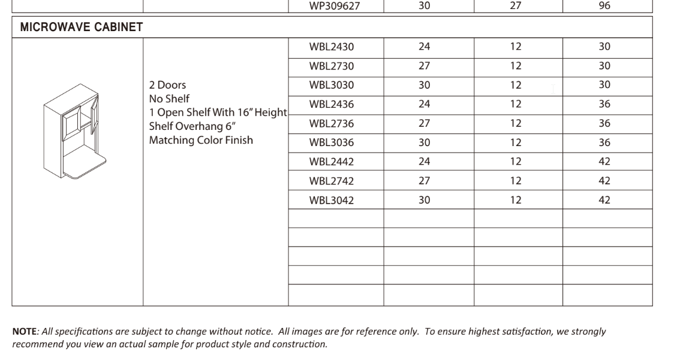
Code | Product Type | Product Sub-type | Suis-je certain | Question
B | Base Cabinet | Standard | x
BBC | Base Cabinet | Blind Corner | x
BDD | Dummy Door | Base End | x
BM | Moldings | Base molding | x
BMC | Base Microwave Cabinet |  | -
CBD | Base Cabinet | Corner (45deg) | x
CM | Fillers | Filler , mais quel type? | -
DB | Base Cabinet | Drawer (3 drawers) | x
DB-2 | Base Cabinet | Drawer (2 drawers) | x
DWR | Panel | Dishwasher Return Panel | x
FB | Base Cabinet | Standard - Full Height Doors | x
FSB | Base Cabinet | Farmhouse Sink | x
Garbage Bin | Accessories | Plastic Garbage Bin |  | 7 gallon ?
IBP | Island Back Panel |  | -
ISP | Island Skin Panel probablement |  | -
LS | Base Cabinet | Corner (90deg) | x | Does it contains a lady susan ?
OC | Utility Cabinet | Oven | x
OCM | Moldings | Outside Corner Molding | x
ROD | cote dessous tiroir |  | -
RRP | Panel | Refrigerator Return Panel | x
SB | Base Cabinet | Sink | x | Does it contains Tilt-Out Drawer With Tray?
SM | Moldings | Scribe molding | x
SP | Base Cabinet | Spice Rack - Pull-Out | x | Does it contains 3 shelves ?
TK | Toe Kick |  | x
VDB | Bathroom - Base Cabinet | Drawer | x
VS | Bathroom - Base Cabinet | Sink | x
W | Wall Cabinet | Standard | x
WBC | Wall Blind Corner |  | -
WBCT | Wall Blind Corner Tall |  | -
WBL | Wall Cabinet | Microwave | x
WDC | Wall Cabinet | Corner (45deg) | x
WDD | Wall Dummy Door |  | -
WEP | Wall End Panel |  | -
WF | Fillers | Base/Wall/Tall Filler | x
WM | Wall Cabinet | Standard (w/ Glass Door) | x
WP | Utility Cabinet | Pantry | x
WPDD | Wall/Pantry Dummy Door |  | -
美式铰链 | American Style Hinge |  | -

https://drive.google.com/file/d/1Mrn9byfDflURbmuLIVR2AU4gSosnrmdD/view

